Sheet2
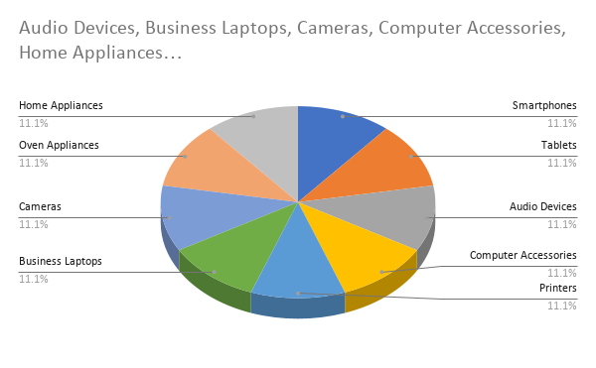
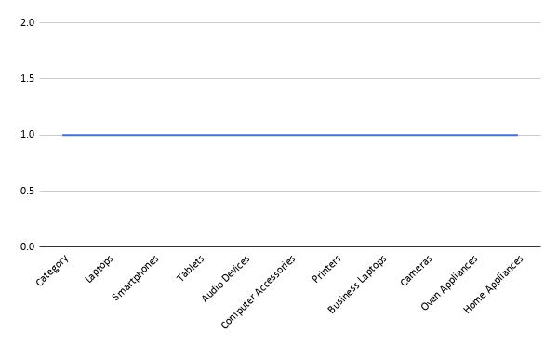
OrderID | OrderDate | Region | Salesperson | Product | Category | UnitsSold | UnitPrice | DiscountPercent | CustomerType | Total | Discount | Final | Percentage
2001 | 2025-01-01 | Maharashtra | Rohit Sharma | Dell Inspiron 15 | Laptops | 3 | 58500 | 5 | Retail Buyer | 175500 | 8775 | 166725 | 5
2002 | 2025-02-01 | Karnataka | Priya Iyer | Samsung Galaxy S22 | Smartphones | 5 | 62000 | 7 | Online Shopper | 310000 | 21700 | 288300 | 7
2003 | 2025-03-01 | Tamil Nadu | Arjun Reddy | Apple iPad Air | Tablets | 2 | 71000 | 4 | Corporate Client | 142000
2004 | 2025-04-01 | Delhi | Nisha Verma | Sony WH-1000XM5 | Audio Devices | 6 | 28999 | 6 | Wholesale Dealer | 173994
2005 | 2025-05-01 | Gujarat | Amit Patel | Logitech MX Master 3 | Computer Accessories | 8 | 8999 | 9 | Distributor Account | 71992
2006 | 2025-06-01 | West Bengal | Soumya Banerjee | HP LaserJet M404 | Printers | 1 | 36500 | 3 | Government Office | 36500
2007 | 2025-07-01 | Telangana | Karthik Rao | Lenovo ThinkPad E14 | Business Laptops | 4 | 74500 | 8 | Startup Purchase | 298000
2008 | 2025-08-01 | Rajasthan | Pooja Mehta | Canon EOS 1500D | Cameras | 2 | 42999 | 10 | Educational Institute | 85998
2009 | 2025-09-01 | Punjab | Harpreet Singh | Bajaj Majesty OTG | Oven Appliances | 7 | 12499 | 2 | Local Retail Store | 87493
2010 | 2025-10-01 | Kerala | Anjali Nair | IFB Front Load Washer | Home Appliances | 1 | 33999 | 1 | Premium Customer | 33999

Match | 2 |  | Index | Dell Inspiron 15 |  | Vlookup | Home Appliances |  | Home Appliances
Canon EOS 1500D | 8 |  | 4 | Sony WH-1000XM5 | Sony WH-1000XM5 |  | Anjali Nair
 | 8 |  |  | Sony WH-1000XM5

Date-Time(Month) | 1 | 5
(Year) | 2025 | 1

